Sheet1
Alloy Adhesion

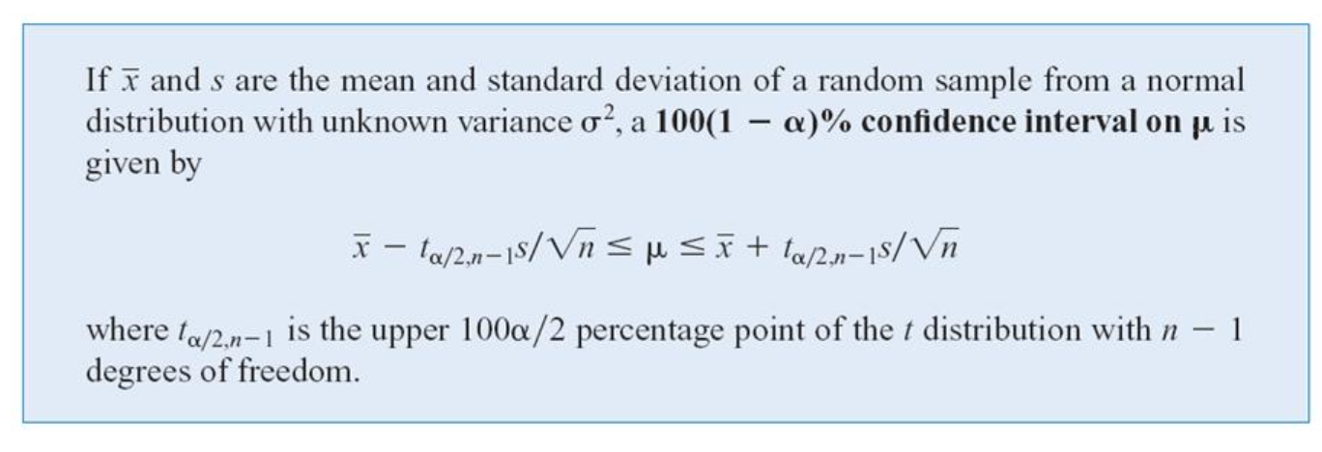
Load (megapascals)
19.8
15.4
11.4
19.5
10.1
18.5
14.1
8.8
14.9
7.9
17.6
13.6
7.5 | Sample Mean | 13.7136
12.7 | Sample S.D. | 3.5536
16.7 | CI | 95%
11.9 | Alpha (a) | 0.05 | Gap that hasn't been covered
15.4 | Alpha/2 (a/2) | 0.025 |  |  | IN THE CASE THAT WE DON'T KNOW POPULATION STANDARD DEVIATION
11.9 | n | 22
15.8 | d.f. | 21
11.4 | t (alpha/2) | 2.0796 | =T.INV(1-D20, D21-1) | 2.0796138447 | =T.INV.2T(D19, D21-1)
15.4 | Lower Confidence Bound | 12.1381
11.4 | Upper Confidence Bound | 15.2892

Sheet2
Detergent Filling

Sample Size | 20
Sample Variance (s2) | 0.0153
Confident Interval (CI) | 95%
Alpha (a) | 0.05
d.f. | 19
Chi-square (c2) | 10.1170
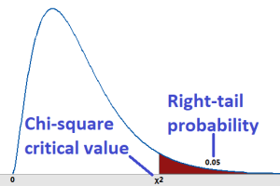
Upper Confidence Bound of Variance |  | 0.0287
Upper Confidence Bound of Standard Deviation |  | 0.1695

TRYING TO FIND TRUE POPULATION VARIANCE, FINDING INTERVAL

